Sheet1
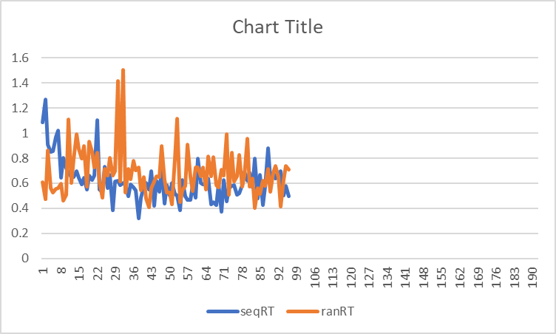
key_resp.corr | key_resp.rt | seqRT | ranRT
1 | 1.083622 | 1.083622 | 0.606083
1 | 1.268005 | 1.268005 | 0.474372
1 | 0.907952 | 0.907952 | 0.862637
1 | 0.849749 | 0.849749 | 0.562211
1 | 0.85821 | 0.85821 | 0.525887
1 | 0.968207 | 0.968207 | 0.557827
1 | 1.023024 | 1.023024 | 0.560339
1 | 0.645775 | 0.645775 | 0.594876
1 | 0.805546 | 0.805546 | 0.459932
1 | 0.720164 | 0.720164 | 0.50698
1 | 0.68631 | 0.68631 | 1.111047
1 | 0.649195 | 0.649195 | 0.599791
1 | 0.647618 | 0.647618 | 0.789899
1 | 0.698957 | 0.698957 | 0.994681
1 | 0.643479 | 0.643479 | 0.871966
1 | 0.589487 | 0.589487 | 0.796635
1 | 0.643836 | 0.643836 | 0.895181
1 | 0.55054 | 0.55054 | 0.575374
1 | 0.659819 | 0.659819 | 0.933213
1 | 0.623683 | 0.623683 | 0.851311
1 | 0.660561 | 0.660561 | 0.723844
1 | 1.102383 | 1.102383 | 0.84629
1 | 0.552084 | 0.552084 | 0.610672
1 | 0.530558 | 0.530558 | 0.482328 | 0.61745995833 | sequencial mean
1 | 0.733821 | 0.733821 | 0.712126 | 0.6834095 | full random mean
1 | 0.559562 | 0.559562 | 0.661349
1 | 0.664438 | 0.664438 | 0.803673
1 | 0.384672 | 0.384672 | 0.663687 | difference | -0.065949542
1 | 0.613845 | 0.613845 | 0.69607
1 | 0.617677 | 0.617677 | 1.41646
1 | 0.58357 | 0.58357 | 0.612419
1 | 0.600959 | 0.600959 | 1.505996
1 | 0.583753 | 0.583753 | 0.524275
1 | 0.497778 | 0.497778 | 0.711859
1 | 0.590789 | 0.590789 | 0.633809
1 | 0.567258 | 0.567258 | 0.776862
1 | 0.541202 | 0.541202 | 0.702878
1 | 0.320534 | 0.320534 | 0.728108
1 | 0.486389 | 0.486389 | 0.544615
1 | 0.57213 | 0.57213 | 0.652479
1 | 0.59954 | 0.59954 | 0.476347
1 | 0.550694 | 0.550694 | 0.40582
1 | 0.698836 | 0.698836 | 0.563241
1 | 0.421219 | 0.421219 | 0.614987
1 | 0.619554 | 0.619554 | 0.657555
1 | 0.531408 | 0.531408 | 0.65007
1 | 0.721816 | 0.721816 | 0.899157
1 | 0.438314 | 0.438314 | 0.62503
1 | 0.583697 | 0.583697 | 0.526875
1 | 0.503775 | 0.503775 | 0.523295
1 | 0.602087 | 0.602087 | 0.433264
1 | 0.516062 | 0.516062 | 0.795802
1 | 0.501872 | 0.501872 | 1.113143
1 | 0.385604 | 0.385604 | 0.446108
1 | 0.623044 | 0.623044 | 0.54527
1 | 0.498348 | 0.498348 | 0.57765
1 | 0.469266 | 0.469266 | 0.90875
1 | 0.468112 | 0.468112 | 0.650644
1 | 0.584777 | 0.584777 | 0.536669
1 | 0.486394 | 0.486394 | 0.723981
1 | 0.795391 | 0.795391 | 0.723408
1 | 0.601893 | 0.601893 | 0.653309
1 | 0.590646 | 0.590646 | 0.728452
1 | 0.592079 | 0.592079 | 0.547452
1 | 0.636314 | 0.636314 | 0.811986
1 | 0.433675 | 0.433675 | 0.654295
1 | 0.447002 | 0.447002 | 0.811329
1 | 0.426542 | 0.426542 | 0.583651
1 | 0.590061 | 0.590061 | 0.569125
1 | 0.373368 | 0.373368 | 0.707062
1 | 0.624202 | 0.624202 | 0.661968
1 | 0.452118 | 0.452118 | 0.993636
0 | 0.559308 | 0.559308 | 0.509216
1 | 0.580262 | 0.580262 | 0.84577
1 | 0.583928 | 0.583928 | 0.612954
1 | 0.509481 | 0.509481 | 0.656958
1 | 0.519143 | 0.519143 | 0.828971
1 | 0.583021 | 0.583021 | 0.574669
1 | 0.692359 | 0.692359 | 0.660019
1 | 0.619248 | 0.619248 | 0.957993
1 | 0.68272 | 0.68272 | 0.57497
1 | 0.564023 | 0.564023 | 0.639069
1 | 0.795532 | 0.795532 | 0.401035
1 | 0.480122 | 0.480122 | 0.562727
1 | 0.664529 | 0.664529 | 0.516702
1 | 0.422606 | 0.422606 | 0.618919
1 | 0.574928 | 0.574928 | 0.579138
1 | 0.881162 | 0.881162 | 0.713242
1 | 0.644835 | 0.644835 | 0.533292
1 | 0.683514 | 0.683514 | 0.686791
1 | 0.636671 | 0.636671 | 0.739003
1 | 0.669495 | 0.669495 | 0.648183
1 | 0.69421 | 0.69421 | 0.414296
1 | 0.502124 | 0.502124 | 0.625463
1 | 0.581073 | 0.581073 | 0.738053
1 | 0.497011 | 0.497011 | 0.710507
1 | 0.606083
1 | 0.474372
1 | 0.862637
1 | 0.562211
1 | 0.525887
0 | 0.557827
1 | 0.560339
1 | 0.594876
0 | 0.459932
1 | 0.50698
1 | 1.111047
1 | 0.599791
1 | 0.789899
1 | 0.994681
1 | 0.871966
0 | 0.796635
1 | 0.895181
1 | 0.575374
1 | 0.933213
1 | 0.851311
1 | 0.723844
1 | 0.84629
1 | 0.610672
1 | 0.482328
1 | 0.712126
1 | 0.661349
1 | 0.803673
1 | 0.663687
1 | 0.69607
1 | 1.41646
1 | 0.612419
1 | 1.505996
1 | 0.524275
1 | 0.711859
1 | 0.633809
1 | 0.776862
1 | 0.702878
1 | 0.728108
1 | 0.544615
1 | 0.652479
1 | 0.476347
1 | 0.40582
1 | 0.563241
1 | 0.614987
1 | 0.657555
1 | 0.65007
1 | 0.899157
1 | 0.62503
1 | 0.526875
1 | 0.523295
1 | 0.433264
1 | 0.795802
1 | 1.113143
1 | 0.446108
1 | 0.54527
1 | 0.57765
1 | 0.90875
1 | 0.650644
1 | 0.536669
1 | 0.723981
1 | 0.723408
1 | 0.653309
1 | 0.728452
1 | 0.547452
1 | 0.811986
1 | 0.654295
1 | 0.811329
1 | 0.583651
1 | 0.569125
1 | 0.707062
1 | 0.661968
1 | 0.993636
1 | 0.509216
1 | 0.84577
1 | 0.612954
1 | 0.656958
1 | 0.828971
1 | 0.574669
1 | 0.660019
1 | 0.957993
1 | 0.57497
1 | 0.639069
1 | 0.401035
1 | 0.562727
1 | 0.516702
1 | 0.618919
1 | 0.579138
1 | 0.713242
1 | 0.533292
1 | 0.686791
1 | 0.739003
1 | 0.648183
1 | 0.414296
1 | 0.625463
1 | 0.738053
1 | 0.710507

